Foglio1
SEASON | GENDER | CODE | COLOR CODE | PRODUCT NAME | COLOR | SIZE | QTY | RRP
 |  |  |  |  |  |  | 657
FW24 | KID | SK26750 | 8 | JAZZ ORIGINAL | MULTICOLOR | 4.5 | 4 | 70
FW24 | KID | SK26750 | 8 | JAZZ ORIGINAL | MULTICOLOR | 2 | 2 | 70
FW24 | KID | SK26750 | 8 | JAZZ ORIGINAL | MULTICOLOR | 13.5 | 2 | 70
FW24 | KID | SK26750 | 8 | JAZZ ORIGINAL | MULTICOLOR | 3.5 | 6 | 70
FW24 | KID | SK26750 | 8 | JAZZ ORIGINAL | MULTICOLOR | 4 | 13 | 70

FW24 | KID | SK26751 | 1 | JAZZ ORIGINAL | MULTICOLOR | 12.5 | 4 | 70
FW24 | KID | SK26751 | 1 | JAZZ ORIGINAL | MULTICOLOR | 11 | 6 | 70
FW24 | KID | SK26751 | 1 | JAZZ ORIGINAL | MULTICOLOR | 3 | 6 | 70
FW24 | KID | SK26751 | 1 | JAZZ ORIGINAL | MULTICOLOR | 4.5 | 6 | 70
FW24 | KID | SK26751 | 1 | JAZZ ORIGINAL | MULTICOLOR | 1.5 | 1 | 70
FW24 | KID | SK26751 | 1 | JAZZ ORIGINAL | MULTICOLOR | 2.5 | 7 | 70
FW24 | KID | SK26751 | 1 | JAZZ ORIGINAL | MULTICOLOR | 4 | 32 | 70
FW24 | KID | SK26751 | 1 | JAZZ ORIGINAL | MULTICOLOR | 7 | 6 | 70
FW24 | KID | SK26751 | 1 | JAZZ ORIGINAL | MULTICOLOR | 3.5 | 6 | 70
FW24 | KID | SK26751 | 1 | JAZZ ORIGINAL | MULTICOLOR | 5.5 | 16 | 70
FW24 | KID | SK26751 | 1 | JAZZ ORIGINAL | MULTICOLOR | 6 | 52 | 70
FW24 | KID | SK26751 | 1 | JAZZ ORIGINAL | MULTICOLOR | 5 | 40 | 70
FW24 | KID | SK26751 | 1 | JAZZ ORIGINAL | MULTICOLOR | 12 | 4 | 70

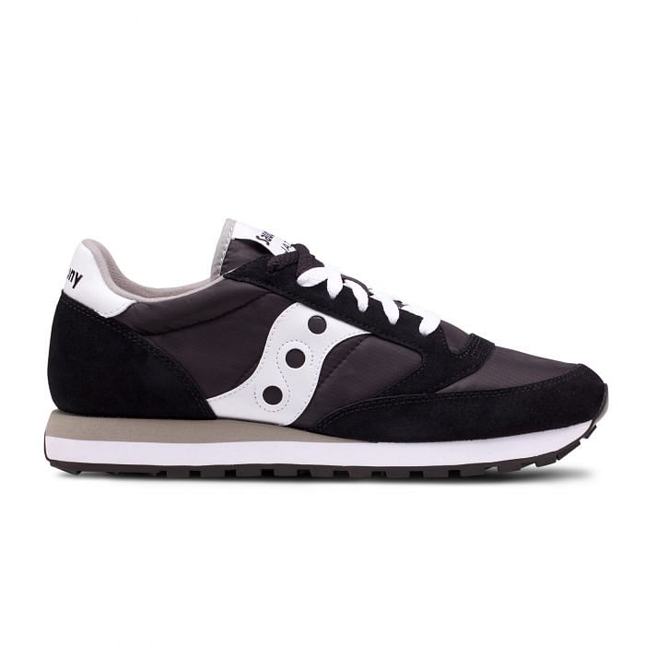
FW24 | KID | SK26762 | 6 | JAZZ ORIGINAL | BLUE/black | 7 | 1 | 70
FW24 | KID | SK26762 | 6 | JAZZ ORIGINAL | BLUE/black | 3 | 7 | 70
FW24 | KID | SK26762 | 6 | JAZZ ORIGINAL | BLUE/black | 5.5 | 5 | 70
FW24 | KID | SK26762 | 6 | JAZZ ORIGINAL | BLUE/black | 11 | 5 | 70
FW24 | KID | SK26762 | 6 | JAZZ ORIGINAL | BLUE/black | 12 | 2 | 70
FW24 | KID | SK26762 | 6 | JAZZ ORIGINAL | BLUE/black | 13 | 2 | 70
FW24 | KID | SK26762 | 6 | JAZZ ORIGINAL | BLUE/black | 1.5 | 6 | 70
FW24 | KID | SK26762 | 6 | JAZZ ORIGINAL | BLUE/black | 4 | 16 | 70
FW24 | KID | SK26762 | 6 | JAZZ ORIGINAL | BLUE/black | 4.5 | 4 | 70
FW24 | KID | SK26762 | 6 | JAZZ ORIGINAL | BLUE/black | 6 | 24 | 70
FW24 | KID | SK26762 | 6 | JAZZ ORIGINAL | BLUE/black | 5 | 19 | 70

SS23 | W | 1044 | 461 | Jazz Original, Sneakers | SILVER | 6 | 2 | 130

FW24 | M | 2044 | 662 | JAZZ ORIGINAL | BEIGE | 11.5 | 12 | 115
FW24 | M | 2044 | 275 | JAZZ ORIGINAL | GREEN | 4.5 | 40 | 115
FW24 | M | 2044 | 691 | JAZZ ORIGINAL | GREY/Blue | 5 | 19 | 115
FW24 | M | 2044 | 691 | JAZZ ORIGINAL | GREY/Blue | 4.5 | 22 | 115
FW24 | M | 2044 | 275 | JAZZ ORIGINAL | GREEN | 5 | 20 | 115
FW24 | M | 2044 | 691 | JAZZ ORIGINAL | GREY/Blue | 5.5 | 29 | 115
FW24 | M | 2044 | 662 | JAZZ ORIGINAL | BEIGE | 14 | 8 | 115
FW24 | M | 2044 | 662 | JAZZ ORIGINAL | BEIGE | 8.5 | 12 | 115
FW24 | M | 2044 | 662 | JAZZ ORIGINAL | BEIGE | 9.5 | 79 | 115
FW24 | M | 2044 | 275 | JAZZ ORIGINAL | GREEN | 4 | 40 | 115
FW24 | M | 2044 | 691 | JAZZ ORIGINAL | GREY/Blue | 4 | 16 | 115
FW24 | M | 2044 | 691 | JAZZ ORIGINAL | GREY/Blue | 6 | 10 | 115

FW24 | W | 60780 | 1 | JAZZ COURT PLATFORM | BLACK/SILVER | 8.5 | 2 | 130
FW24 | W | 60780 | 1 | JAZZ COURT PLATFORM | BLACK/SILVER | 10 | 4 | 130
FW24 | W | 60780 | 2 | JAZZ COURT PLATFORM | WHITE/GOLD | 9.5 | 1 | 130
FW24 | W | 60780 | 1 | JAZZ COURT PLATFORM | BLACK/SILVER | 9.5 | 3 | 130
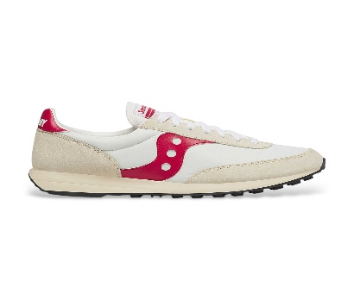
FW24 | M | 70755 | 8 | JAZZ ORIGINAL | GREY/red | 11 | 11 | 130

FW24 | UNI | 70759 | 2 | JAZZ ORIGINAL | WHITE/RED | 7 | 3 | 100
FW24 | UNI | 70759 | 2 | JAZZ ORIGINAL | WHITE/RED | 8 | 3 | 100
FW24 | UNI | 70759 | 2 | JAZZ ORIGINAL | WHITE/RED | 11.5 | 11 | 100
FW24 | UNI | 70759 | 2 | JAZZ ORIGINAL | WHITE/RED | 9 | 5 | 100
FW24 | UNI | 70759 | 3 | JAZZ ORIGINAL | WHITE/GREEN | 11.5 | 1 | 100

